Indices

 | Iraq Stock Exchange
 | Bulletin No (105)
 | ISX Trading Indices of Thursday 18/6/2026

 | Traded Volume and OTC |  | 787,302,937 |  | Traded Value and OTC |  | 1,457,603,294 |  | Traders | 1279

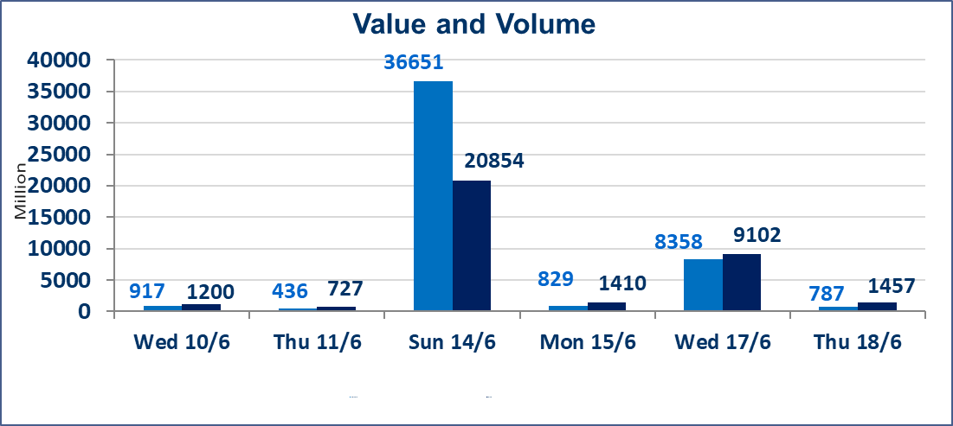
 | ISX Index 60 |  |  | 1006.23 | ISX Index 15 |  |  | 1281.85
 | Previous ISX Index60 |  |  | 1003.23 | Previous ISX Index15 |  |  | 1279.74
 | Change % |  |  | 0.30 | Change % |  |  | 0.16
 | Change |  |  | 3.00 | Change |  |  | 2.11

 | Listed Companies | 103 | OTC | 14 | Non Traded listed | 43 | OTC | 13
 | Traded Listed Companies | 45 | OTC | 1 | Higher Companies |  |  | 12
 | GAM Companies |  |  | 4 | Lower Companies |  |  | 13
 | Suspended Companies |  |  | 11
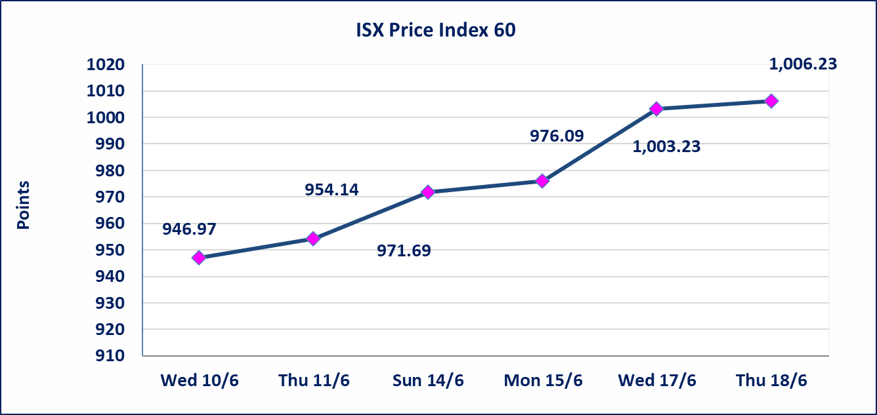
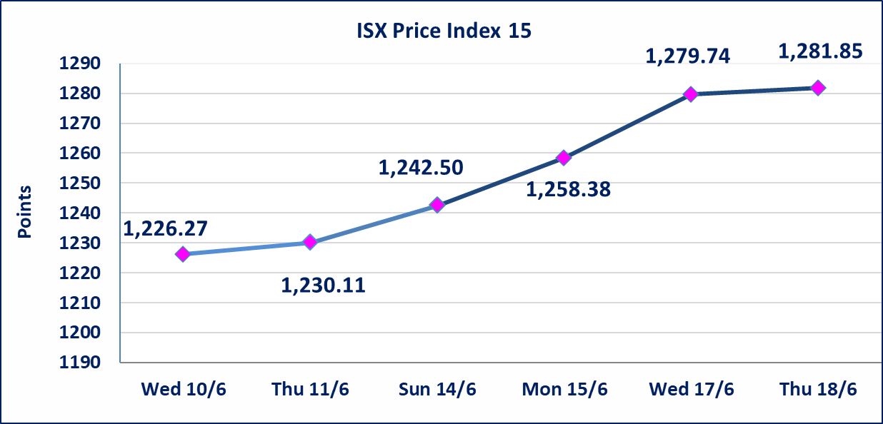

Al-Alwiya P.O . 3607 Mobile: 07711211522 - 07270094594 - 07834000034 E-mail: info-isx@isx-iq.net Web site:www.isx-iq.net

Top 5
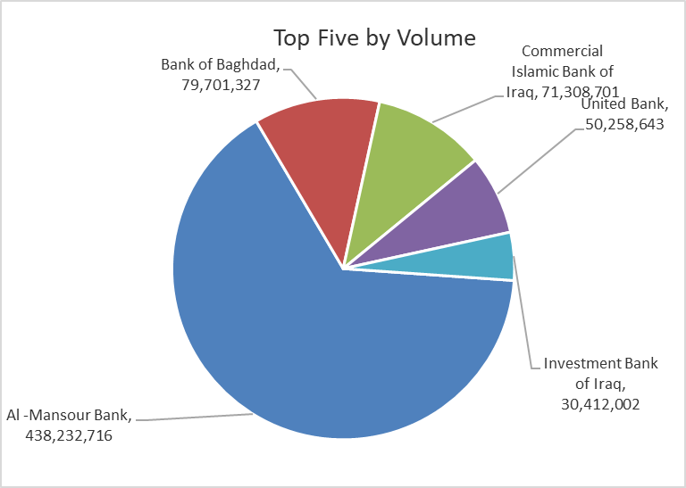
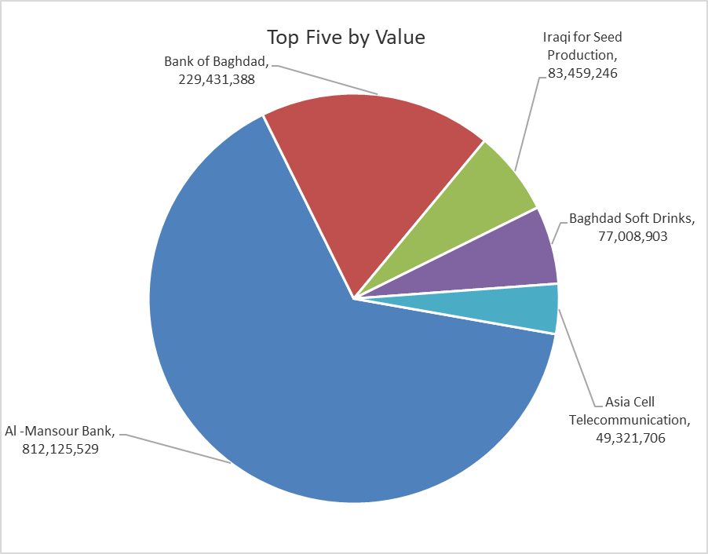

ISX top ganing and losing companies
Thursday 18/6/2026
 | Gainers |  |  |  | Losers
 | Company Name | Closing Price | Change (%) | Traded Volume | Company Name | Closing Price | Change (%) | Traded Volume
 | Modern Construction Materials | 1.650 | 22.22 | 111,763 | Babil Animal & Vegetable Production | 8.100 | -10.00 | 134,544
 | Iraqi For Tufted Carpets | 22.990 | 4.50 | 76,230 | Kurdistan International Bank | 1.100 | -9.09 | 51,000
 | Investment Bank of Iraq | 0.260 | 4.00 | 30,412,002 | Ashur International Bank | 0.250 | -3.85 | 3,758,963
 | Commercial Islamic Bank of Iraq | 0.680 | 3.03 | 71,308,701 | Baghdad Hotel | 12.000 | -3.23 | 409,900
 | Al-Hilal Industries | 1.700 | 3.03 | 80,961 | Al-Ameen Estate Investment | 1.680 | -1.75 | 209,550
 | The most active companies in term of traded volume and value

 | Traded Volume |  |  |  | Traded Value
 | Company Name | Closing Price | Change (%) | Traded Volume | Company Name | Closing Price | Change (%) | Traded Value
 | Al -Mansour Bank | 1.860 | 1.09 | 438,232,716 | Al -Mansour Bank | 1.860 | 1.09 | 812,125,529
 | Bank of Baghdad | 2.860 | 1.06 | 79,701,327 | Bank of Baghdad | 2.860 | 1.06 | 229,431,388
 | Commercial Islamic Bank of Iraq | 0.680 | 3.03 | 71,308,701 | Iraqi for Seed Production | 6.590 | -0.15 | 83,459,246
 | United Bank | 0.060 | 0.00 | 50,258,643 | Baghdad Soft Drinks | 6.840 | -0.87 | 77,008,903
 | Investment Bank of Iraq | 0.260 | 4.00 | 30,412,002 | Asia Cell Telecommunication | 16.900 | 0.00 | 49,321,706

Non Iraqis

Iraq Stock Exchange
Non Iraqis' Bulletin Thursday Jun 18 2026
Regular Market

Non Iraqi Trading of Regular Market (Buy)
Company Names | Code | No.of trades | Traded Shares | Trading Volume
Banks Sector
Bank Of Baghdad | BBOB | 1 | 370,211 | 1,058,803
Al-Mansour Bank | BMNS | 34 | 182,969,515 | 339,511,918
Total Bank sector |  | 35 | 183,339,726 | 340,570,721
Industry Sector
Baghdad Soft Drinks | IBSD | 1 | 72,157 | 493,554
Total Industry sector |  | 1 | 72,157 | 493,554
Grand Total |  | 36 | 183,411,883 | 341,064,275

Non Iraqi Trading of Regular Market (Sell)
Company Names | Code | No.of trades | Traded Shares | Trading Volume
Telecommunication Sector
Al-Khatem Telecoms | TZNI | 8 | 1,500,000 | 6,210,000
Total Telecommunication sector |  | 8 | 1,500,000 | 6,210,000
Grand Total |  | 8 | 1,500,000 | 6,210,000

Not Trading Bonds

Iraq Stock Exchange
Thursday 18/6/2026
Not Trading Bonds Bulletin
Bond type | Publish type | Code | last trading price | immortilize date
Banaa Bonds /Million ID | Second | CB20 | 964,981 | 19/12/2025
Eamar Bonds /Million ID | First | CB30 | 1,001,095 | ــــــــــــــــ
Eamar Bonds /Million ID | Second | CB40 | ــــــــــــــــ | ــــــــــــــــ
Eamar Bonds /500 Thousand ID | Third | CB45 | ــــــــــــــــ | ــــــــــــــــ
Eamar Bonds /Million ID | Third | CB50 | ــــــــــــــــ | ــــــــــــــــ
Injaz Bonds /500 Thousand ID | First | CB55 | ــــــــــــــــ | ــــــــــــــــ
Injaz Bonds /Million ID | First | CB60 | 951,110 | ــــــــــــــــ
Injaz Bonds /500 Thousand ID | Second | CB65 | 511,000
Injaz Bonds /Million ID | Second | CB70 | 965,050 | ــــــــــــــــ
Injaz Bonds /500 Thousand ID | Third | CB75 | ــــــــــــــــ | ــــــــــــــــ
Injaz Bonds /Million ID | Third | CB80 | 978,182 | ــــــــــــــــ
National Bonds/Million ID | First | CB90 | ــــــــــــــــ | ــــــــــــــــ
National Bonds/500 Thousand ID | Second | CB95 | ــــــــــــــــ | ــــــــــــــــ
National Bonds/Million ID | Second | CB100 | ــــــــــــــــ | ــــــــــــــــ

